Holt&Winters
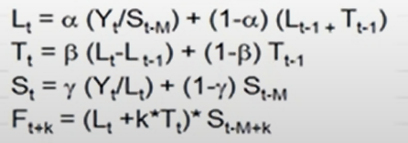
alpha
beta
gamma

Date | Sales | Level | Trend | SEASONAL | Forecast | Error
Q1-2002 | 155
Q2-2002 | 180
Q3-2002 | 260
Q4-2002 | 560
Q1-2003 | 160
Q2-2003 | 185
Q3-2003 | 270
Q4-2003 | 600
Q1-2004 | 165
Q2-2004 | 190
Q3-2004 | 280
Q4-2004 | 635
Q1-2005 | 172
Q2-2005 | 226
Q3-2005 | 329
Q4-2005 | 721

